ITP-01-006
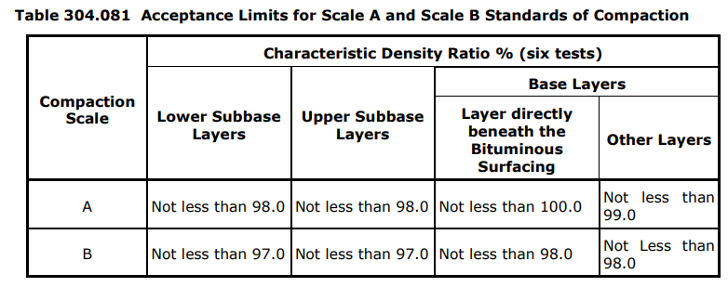
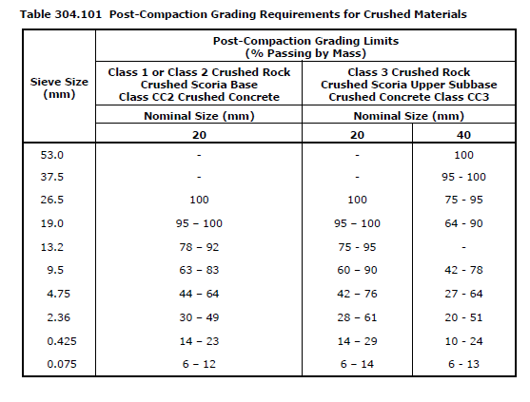
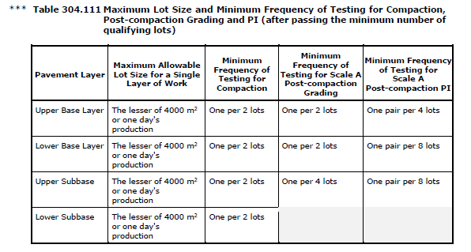
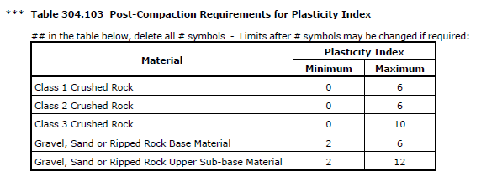
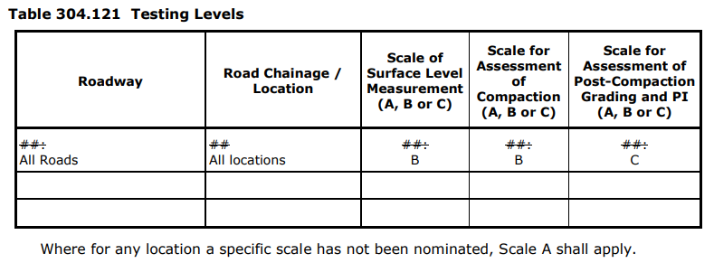
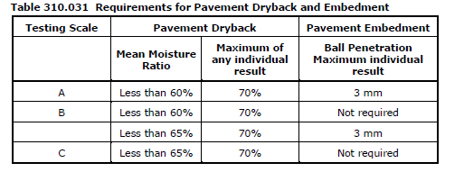
 |  |  | Inspection and Test Plan - Control and Supervision of the Works |  |  |  |  |  |  |  | Document # ITP-01-05 Unbound Flexible Pavement Construction
 |  |  |  |  |  |  |  |  |  |  | Revision : 0 | Date : 03/09/2024

Client: |  | Department of State Growth |  | Construction Process: |  | Prepared by: |  | Reviewed by : |  |  | Approved by :
Project: |  | Davey to Macquarie Street Connection |  | Unbound Flexible Pavement Construction |  | Name: | Mileva Savic | Name: | Sam Arnold |  | Name: | Sam Arnold
Contract No: |  | 3741 |  | Specifications: Specifications Section 173 ,304,310,812
 |  |  |  | Structure / Component: |  | Signed : |  | Signed : |  |  | Signed :
 |  |  |  | Location: Davey to Macquarie Street |  | Date : |  | Date : |  |  | Date :

Lot No: |  |  | Lot Details: |  |  |  |  |  | Lot Size/ Quantity:

Item | Task/Activity Description |  | Inspection / Controls and Verification Detail |  |  |  |  | HP/ WP/ AP/ IP/ TP/ SCP | Responsibility | Checked by:
No. |  |  | Frequency | Acceptance Criteria | Reference Documents | Inspection / Test Method | Record of conformity |  | Project Engineer Site Engineer Superintendent Surveyor Foreman | Client | Fulton Hogan | QAV | Date
1 | Preliminary Works
1.1 | Check for correct documentation |  | Prior to commencing any activity | Ensure that all employees and subcontractors are: - using the correct and complete set of drawings -all drawings are the latest revision | IFC Drawings | Visual inspection | This ITP signed | HP* | Site Engineer | N/A |  | N/A
1.2 | Material Mix Design |  | Prior to commencing works | Crushed rock mixes proposed for use on specified works shall be registered in accordance with VicRoads Code of Practice for Registration of Crushed Rock Mixes RC500.02 as listed in Section 175. | 812.04, VicRoads RC500.02 | Document Review | Crushed Rock Registration This ITP signed | HP | Site Engineer / QAV | N/A
1.3 | Material Quality |  | Prior to commencing works | Material complies with the Class 4 specification for crushed rock | 812, Table 812.121 | Measure | Test Results | IP | Site Engineer | N/A |  | N/A
2 | Placement
2.1 | Layer Thickness |  | Each layer | In addition to complying with pavement layer surface tolerances specified in Clause 304.06(b), the following tolerances shall apply to the thickness of any pavement layer: (I) the subbase course shall be not less than the specified thickness by more than 15 mm; (ii) the base course shall be not less than the specified thickness by more than 10 mm and the average thickness of base over every 100 m section, over the full carriageway width, shall be not less than the specified thickness; (iii) the combined thickness of subbase and base courses shall be not less than the specified thickness by more than 15 mm. | Drawings and 304.06(c) | Visual and Measure | This ITP signed | IP | Site Engineer | N/A |  | N/A
2.2 | Jointing |  | Each lot | The layout of joints shall conform to the following requirements: (a) material shall be spread in such a manner as to minimize the number of joints; (b) for all pavement layers, transverse joints in adjoining paver runs shall be offset by not less than 2 m; (c) transverse joints shall be offset from one layer to the next by not less than 2 m; (d) longitudinal joints shall be offset from one layer to the next by not less than 150 mm; (e) longitudinal joints shall be located within 300 mm of the planned position of traffic lanes lines or within 300 mm of the centre of a traffic lane. | 304.07 | Visual Inspection | This ITP signed | IP | Site Engineer | N/A |  | N/A
2.3 | Test Rolling |  | Each lot | All pavement layers shall be compacted to withstand rolling and shall be test rolled in accordance with Section 173, prior to acceptance of the layer.The Contractor shall provide for the Superintendent to be present during all test rolling. | 304.08 | Test Roll | Witness Point | HP | Site Engineer / QAV | N/A
3 | Testing and Conformance
3.1 | Determine Testing Scale & Initial testing frequency |  | Prior to Testing | Scale B - The first lot of each material type shall be tested to demonstrate compliance with the material property requirements specified in Clause 204.04. Where the first lot of each material type satisfies the material property requirements in, no further testing will be required unless changes are observed or where directed by the Superintendent. | 204.161 304.08 (a) 304.11 (b) 304.11 (c)(iii) Table 304.111 Table 304.121 | Document Review/ Site Inspection | Signed ITP | AP | Site Engineer | N/A
3.2 | Compaction Testing |  | Every Lot Every second lot (reduced frequency) | Minimum Characteristic Density Ratio (CDR) of not less than 97% (subbase) for Scale B, using Modified compaction effort. Material during compaction shall have a moisture content of not less than 85% of optimum. | 304.081 304.11 (b) Table 304.111 | Test point | This ITP signed off; Test reports | TP | Site Engineer | N/A
3.5 | Completed Surface Level Compliance |  | Each lot | Layer to be finished to a smooth and uniform surface and after compaction shall conform within the following limits: Shape: no point deviation > 8mm from 3m straight edge in any direction Surface level tolerances: As per table 304.062 below - 40 measurements per lot (Scale B - Davey Street, Macquarie Street, Southern Outlet) | 304.06, IFC Drawings Table 304.062 | Survey | This ITP signed off; Survey Report | TP | Site Engineer | N/A
3.6 | Pavement Dryback and Embedment |  | Prior to sealing works (only for uppermost layer below asphalt) | Scale A - The uppermost pavement layer after preparation of the surface and prior to sealing shall be allowed to dry back so the moisture content of the layer meets the requirements of Table 310.031 for each test lot. Also, pavement embedment shall be assessed by Ball Penetration testing when required as detailed in Table 310.031 | 310.03, Table 310.031 | Review | Test Results | TP | Site Engineer | N/A
 | The signature below verifies that this ITP has been completed in accordance with the FH’s Quality system Procedures and verifies lot compliance with specifications.
 |  | Print Name: |  | Position: |  | Signature: |  |  |  |  | Date: / /

Legend
HP | Hold Point | Work shall not proceed past the HP until released by the Superintendent |  |  | IP | Inspection point |  | Formal Inspection to be done and recorded
HP* | FH Hold Point | Work shall not proceed past the HP* until released by FH |  |  | TP | Test Point |  | Product compliance test to be undertaken and recorded/reported
WP | Witness Point | An inspection which must be witnessed by the Superintendent |  |  | SCP | Survey conformance point |  | A qualified surveyor to check product/section/structure and report
AP | Approval Point | Written or verbal approval given by the Superintendent

